Risk Matrix
I*L | Text | Risk "Score" |  |  |  |  |  |  |  |  |  |  |  |  |  | Category
11 | Insignificant | 1 | Impact | Severe | 5 | 15 | 19 | 22 | 24 | 25 |  | Severe |  |  | P | External - Political | Government changes including interventions
12 | Insignificant | 2 |  | Major | 4 | 10 | 14 | 18 | 21 | 23 |  | Major |  |  | E | External - Economic | Growth, inflation and interest rates
21 | Insignificant | 3 |  | Moderate | 3 | 6 | 9 | 13 | 17 | 20 |  | Moderate |  |  | S | External - Social | Population growth, change in demographics, education levels
13 | Minor | 4 |  | Minor | 2 | 3 | 5 | 8 | 12 | 16 |  | Minor |  |  | T | External - Technological | Automation and innovation in systems and equipment
22 | Minor | 5 |  | Insignificant | 1 | 1 | 2 | 4 | 7 | 11 |  | Insignificant |  |  | L | External - Legal | Laws, including those on consumer protection and employment
31 | Minor | 6 |  |  |  | 1 | 2 | 3 | 4 | 5 |  |  |  |  | E | External - Environmental | Weather, climate change, environmental policies
14 | Moderate | 7 |  |  |  | Rare | Unlikely | Possible | Likely | Almost Certain
23 | Moderate | 8 |  | Likelihood |  |  |  |  |  |  |  |  |  |  | M | Internal - Mission | The plan devised to achieve the vision and goals
32 | Moderate | 9 |  |  |  |  |  |  |  |  |  |  |  |  | O | Internal - Organisaton | The way the organisation is structured
41 | Moderate | 10 |  |  |  |  |  |  |  |  |  |  |  |  | R | Internal - Resource | The procedures and systems that staff use to get the job done
15 | Moderate | 11 |  |  |  |  |  |  |  |  |  |  |  |  | T | Internal - Team | The roles, capabilities, skills and competencies
24 | Major | 12 |  |  |  |  |  |  |  |  |  |  |  |  | A | Internal - Approach | Style of leadership
33 | Major | 13 |  |  |  |  |  |  |  |  |  |  |  |  | R | Internal - Rites and rules | Core values, internal culture and behaviour
42 | Major | 14 | Impact |  |  |  |  |  |  |  | Likelihood
51 | Major | 15 | Score | Range | ‘Life and Limb’ | Customer Service | Staffing & Culture | Compliance with regulations/Law | Reputation | Financial | Score | Range | Example description
25 | Major | 16 | 5 | Severe | Loss of life due to injury or illness | Severe, prolonged impact on delivery and business continuity, e.g. decanting residents due to structural issues | Severe impact on employee motivation leading to prolonged dissatisfaction and high staff turnover impacting on service provision | Major breach leading to suspension / discontinuance of business or outsourcing/ privatisation / criminal negligence | External reputation irrevocably damaged | See separate financial ratings tables | 5 | Almost certain | The risk is imminent | 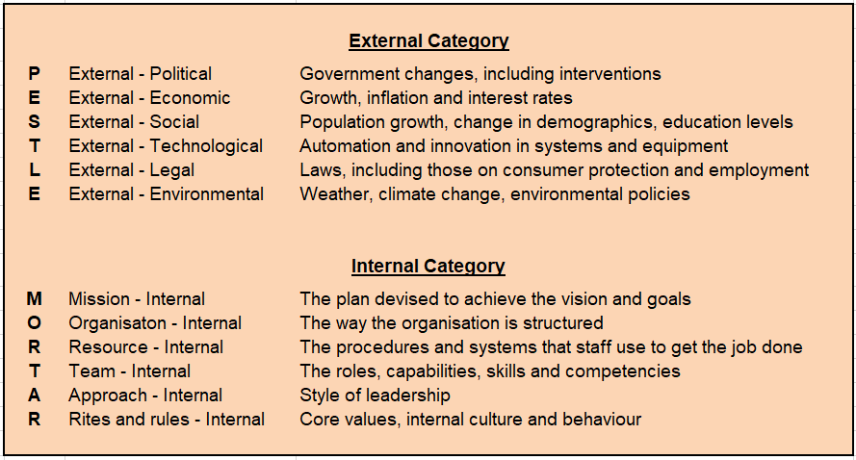
34 | Major | 17 | 4 | Major | Serious injury or illness resulting in long-term impairment e.g. pandemic or asbestos related | Serious disruption to delivery and business continuity, e.g. contractor going out of business | Significant impact on employee motivation resulting some staff leaving and poor quality service delivery | Serious breach causing intervention, sanctions and legal action | External reputation seriously damaged with considerable effort and expense required to redeem | See separate financial ratings tables | 4 | Likely | The risk is very likely to occur
43 | Major | 18 | 3 | Medium | Significant injury or illness with no long-term effects | Medium term disruption to delivery and business continuity | Moderate impact on employee motivation resulting in intermittent impacts to service delivery | Significant impact leading to warning of threat of sanctions or legal action | Reputation seriously damaged with some effort and expense required to redeem | See separate financial ratings tables | 3 | Possible | The risk may occur but it's difficult to know
52 | Severe | 19 | 2 | Minor | Moderate, non-life-threatening injury or illness | Moderate impact on delivery and business continuity | Affects the motivation of small groups of staff | Moderate impact due to non-compliance leading to reprimand | Reputation minimally affected with little effort and expense required to redeem | See separate financial ratings tables | 2 | Unlikely | The risk is unlikely but possible
35 | Severe | 20 | 1 | Insignificant | Minor superficial injury or illness | Minor impact on delivery and business continuity | Temporary impact on the motivation of individuals | Minor impact with no reprimand, sanction or legal action | Reputation unaffected with no effort and expense required to redeem | See separate financial ratings tables | 1 | Rare | The risk is unlikely but not ruled out
44 | Severe | 21
53 | Severe | 22
45 | Severe | 23
54 | Severe | 24
55 | Severe | 25

